Sheet1
Caption | Photo | Photo Name
Reduce: our footprint by not building new | 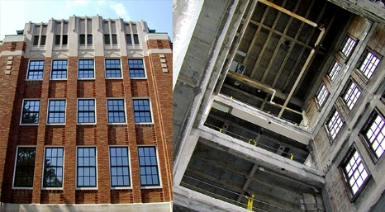 | Reduce Footprint
Reuse: During the renovation, as much material as possible was salvaged, including marble pieces for windowsills and countertops. | 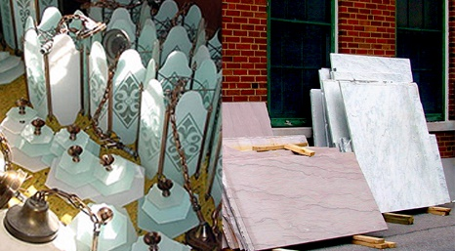 | Salvage
Recycle: More than 30% of construction debris and 50% of construction material | 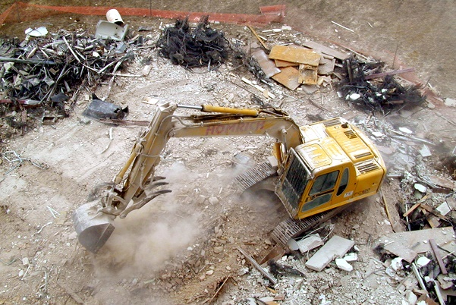 | Sorting debris
The conversion of five acres of lawn to meadow and prairie improves the biodiversity of the campus and protects existing natural habitats. In addition, the reduction in labor and equipment costs associated with mowing lawns results in lower consumption of non-renewable energy. | 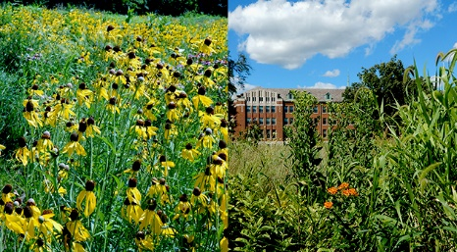 | Prairie and Motherhouse
Constructed wetlands, imitating natural wetlands, purify water coming from the Motherhouse as it flows through to a piping system that returns the cleansed water back into the building for use in flushing toilets. By emulating nature’s drainage systems, close to one million gallons of water a year get diverted from the municipal storm sewer system. Natural drainage systems manage the storm water. In the parking lots, vegetated swales, or “wet gulleys,” handle the storm water runoff. These swales restore and protect habitat by the presence of native grasses and wildflowers. | 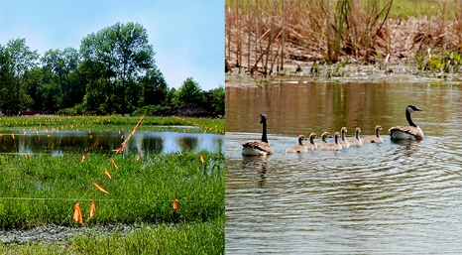 | Constructed wetland
By a conservative estimate, in the last quarter of the 20th century, 20 percent of all living species have become extinct. When these living beings—magnificent plants and animals—go extinct, they never come back. Extinction is a direct indication of ecosystem health. This bears directly on our own survival because we are connected to this web of life on the planet. Our intention is to move gently and cause less harm. We are diversifying life forms present on the campus by restoring native plantings and habitat. | 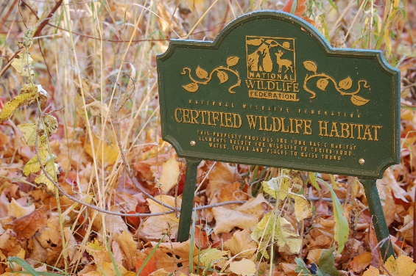 | Wildlife Habitat
We often turn to nature for healing and renewal. The Motherhouse grounds offer a rich contemplative landscape of meadows, courtyards, a pond, woodlands, constructed wetlands, walking paths, gardens, a cemetery and green park space for quiet moments. | 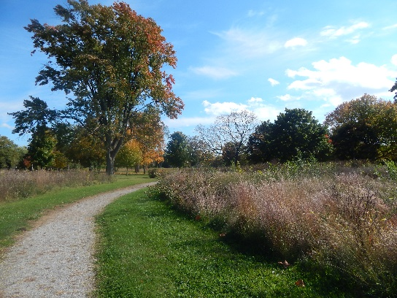 | Pathway
The use of vegetated swales and wet meadows enables us to divert almost a million gallons of water a year from the municipal storm sewer system. | 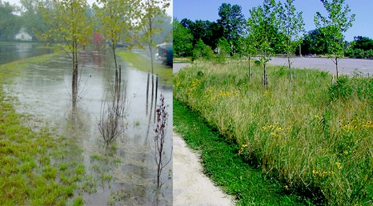 | Swale
A separate piping system collects used water from sinks and showers in the Motherhouse. This is called “graywater.” The pipes route the graywater to a constructed wetland on the campus. The constructed wetlands, mimicking nature’s purification system, cleanse the graywater and recycle it back into the Motherhouse for flushing toilets. | 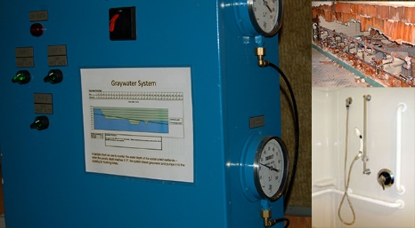 | Graywater
The decision to reduce our dependence on non-renewable energy sources resulted in a geothermal system for heating and cooling the 376,000 square feet of the Motherhouse. | 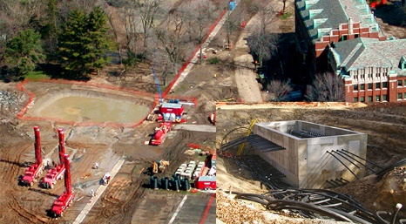 | Geothermal
The drywall material, manufactured with recycled paper content, is 5/8-inch thick gypsum board that is moisture resistant. Gypsum is an abundant, benign mineral. | 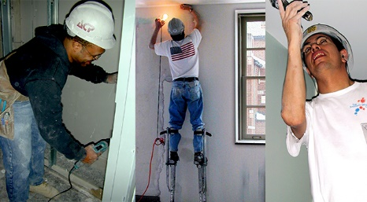 | Drywall worker
Another example of a recycled product is Trex™, which consists of recycled wood and plastic that gives the appearance of a wood deck. Trex™ comes with a lifetime guarantee. We installed Trex™ on the floor of the outside veranda. | 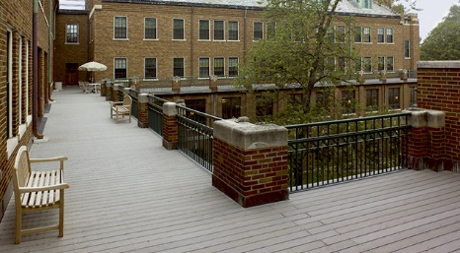 | Deck
We used products salvaged from the Motherhouse itself, such as bricks, millwork, light fixtures, marble slabs, doors and windows. | 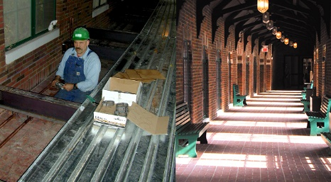 | Cloister
The extensive interior renovations minimally impact the exterior appearance and historical character of the Motherhouse. | 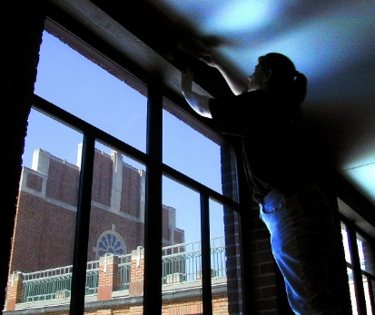 | Window work

